Day of the week, time of day
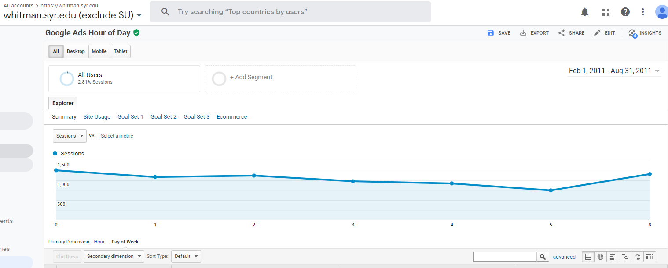

Where to Target
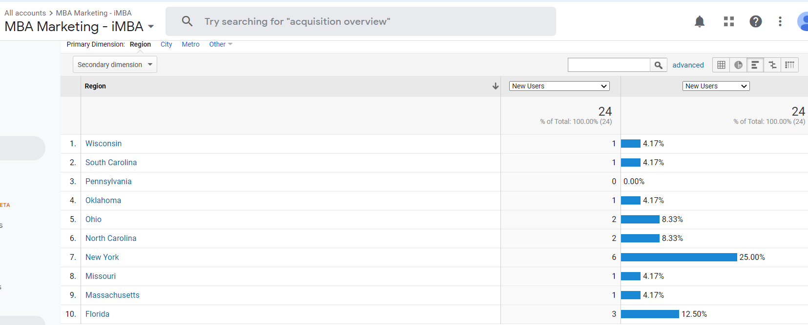
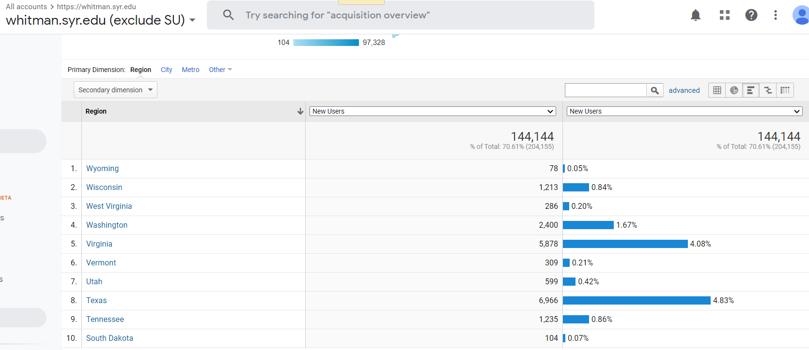
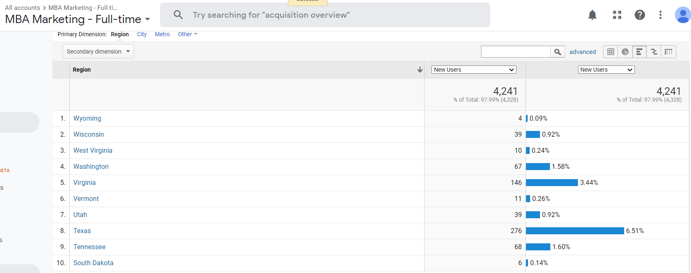

This shows the highest number of new users per state

2021 CPC Forecast
 | CPC | Forecast(CPC) | Lower Confidence Bound(CPC) | Upper Confidence Bound(CPC)
 | $4.03
 | $13.69
 | $16.49 | 16.49 | 16.49 | 16.49
 |  | 23.61 | 19.65 | 27.56
 |  | 30.11 | 26.07 | 34.14
 |  | 36.61 | 32.41 | 40.81
 |  | 43.11 | 38.62 | 47.6
 |  | 49.61 | 44.72 | 54.51
 |  | 56.12 | 50.68 | 61.55
 |  | 62.62 | 56.53 | 68.71
 |  | 69.12 | 62.27 | 75.97
Year | CPC | Forecast(CPC) | Lower Confidence Bound(CPC) | Upper Confidence Bound(CPC)
2011 | $4.03
2012 | $13.69
2013 | $16.49 | $16.49 | $16.49 | $16.49
2014 |  | $23.61 | $19.65 | $27.56
2015 |  | $30.11 | $26.07 | $34.14
2016 |  | $36.61 | $32.41 | $40.81
2017 |  | $43.11 | $38.62 | $47.60
2018 |  | $49.61 | $44.72 | $54.51
2019 |  | $56.12 | $50.68 | $61.55
2020 |  | $62.62 | $56.53 | $68.71
2021 |  | $69.12 | $62.27 | $75.97

2021 CPD Forecast
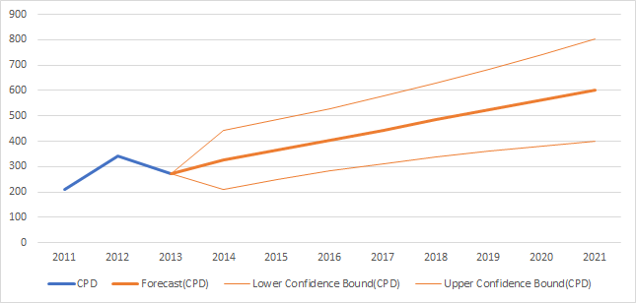
Year | CPD | Forecast(CPD) | Lower Confidence Bound(CPD) | Upper Confidence Bound(CPD)
2011 | 208.12
2012 | 340.27
2013 | 270.23 | 270.23 | 270.23 | 270.23
2014 |  | 327.4078469 | 210.77 | 444.05
2015 |  | 366.4795793 | 247.55 | 485.41
2016 |  | 405.5513117 | 281.65 | 529.45
2017 |  | 444.6230441 | 312.35 | 576.9
2018 |  | 483.6947765 | 339.32 | 628.07
2019 |  | 522.7665089 | 362.58 | 682.95
2020 |  | 561.8382413 | 382.36 | 741.32
2021 |  | 600.9099737 | 399 | 802.82

 | Total 2021 Campaign Days | 166.41427897
 | * Given a 100,000 budget the total number of days could be 166

Whitman FT MBA GA
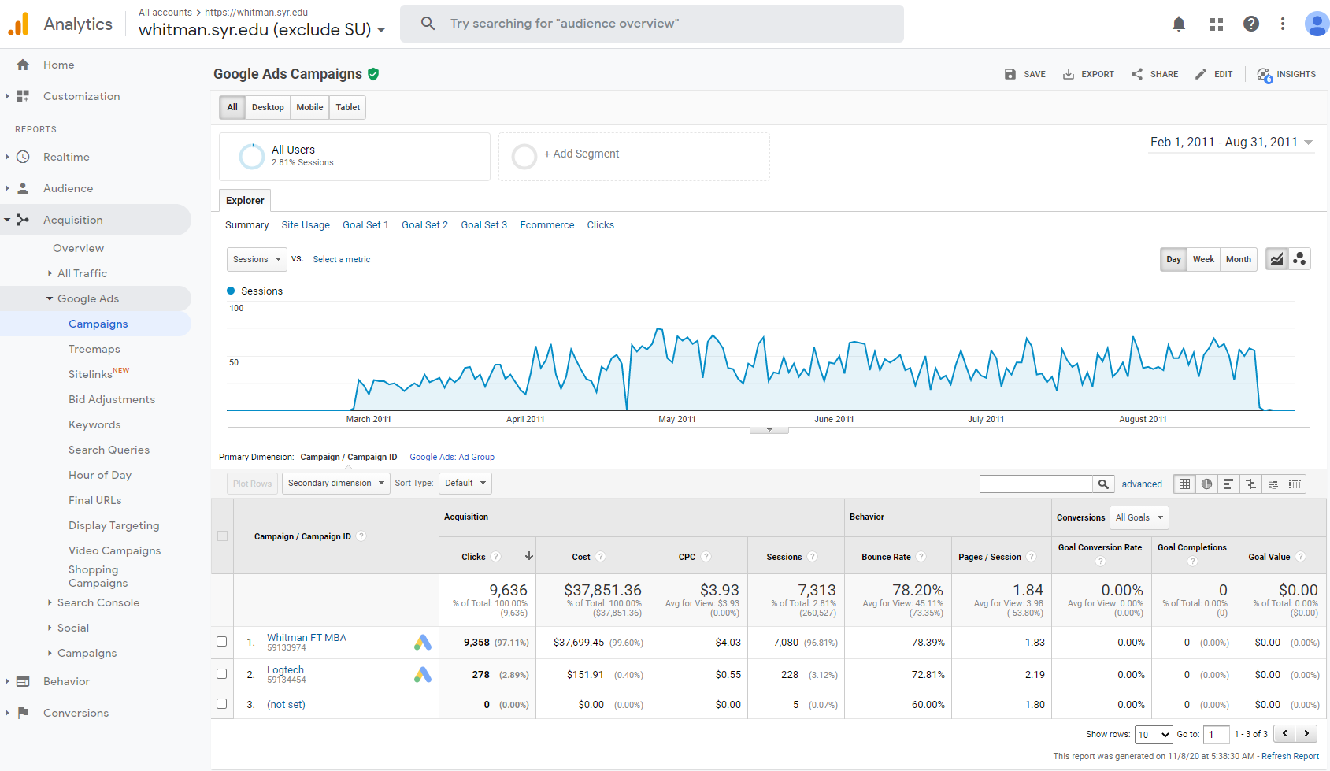

Marketing iMBA
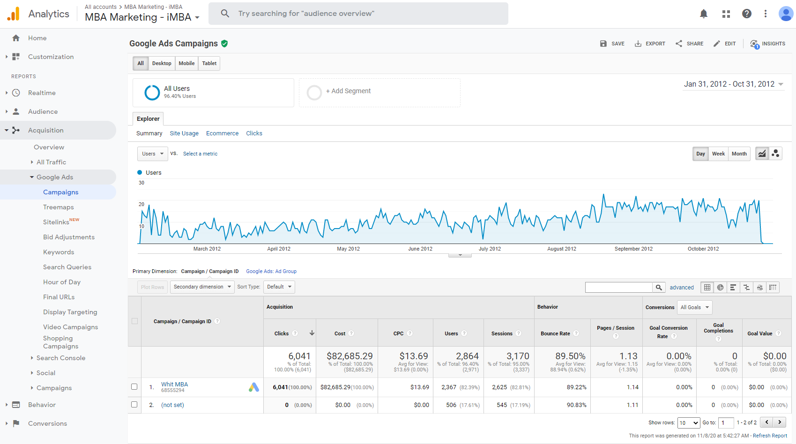

Marketing Full time
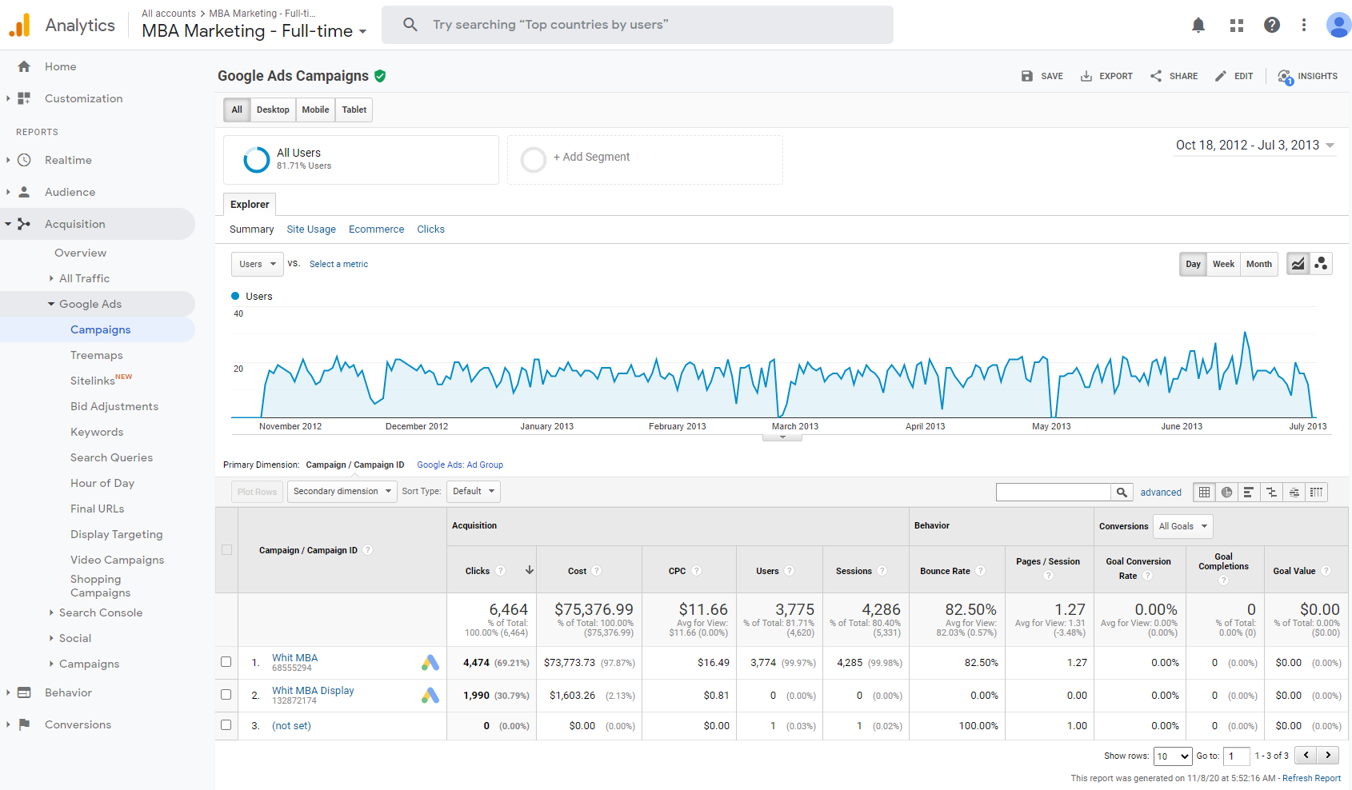

Delta
